Sheet1
 |  |  |  |  |  |  |  |  |  |  | Sigma | E(rp)
 |  |  |  |  |  |  |  |  |  |  | 112.51211763 | -2
 |  |  | Imputs |  |  |  |  |  |  |  | 103.74721776 | -1
 |  |  | 1 | z | S |  |  |  |  |  | 94.997192115 | 0
 |  |  | 1 | 10.33 | 245.8624 | 120.14818816 | 204.37426464 | 191.165072 | 204.37192832 |  | 86.266566906 | 1
 |  |  | 1 | 11.12 | 120.14818816 | 466.56 | 197.29098279 | 194.29096632 | 214.30312464 |  | 77.561893739 | 2
 |  |  | 1 | 12.19 | 204.37426464 | 197.29098279 | 501.76 | 264.87862889 | 319.14888866 |  | 68.893010485 | 3
 |  |  | 1 | 11.64 | 191.165072 | 194.29096632 | 264.87862889 | 501.76 | 369.89390042 |  | 60.275361181 | 4
 |  |  | 1 | 12.02 | 204.37192832 | 214.30312464 | 319.14888866 | 369.89390042 | 529.9204 |  | 51.73455495 | 5
Cálculos |  |  |  |  |  |  |  |  |  |  | 43.316070054 | 6
1' |  |  |  |  | S-1 |  |  |  |  |  | 35.108010661 | 7
1 | 1 | 1 | 1 | 1 | 0.0071811671595 | -0.00027968334938 | -0.0016760195873 | -0.001089152485 | -0.00088677717409 |  | 27.300835862 | 8
z' |  |  |  |  | -0.00027968334938 | 0.0027919014885 | -0.00049132050923 | -0.00037177590038 | -0.00046579024862 |  | 20.361031496 | 9
10.33 | 11.12 | 12.19 | 11.64 | 12.02 | -0.0016760195873 | -0.00049132050923 | 0.0038108590885 | -0.00023482894962 | -0.001286130467 |  | 15.500977614 | 10
 |  |  |  | 529.9204 | -0.001089152485 | -0.00037177590038 | -0.00023482894962 | 0.0044313894278 | -0.0023813644289 |  | 14.915151659 | 11
 |  |  |  |  | -0.00088677717409 | -0.00046579024862 | -0.001286130467 | -0.0023813644289 | 0.0048542610417 |  | 19.003050534 | 12
 |  |  |  |  |  |  |  |  |  |  | 25.617237337 | 13
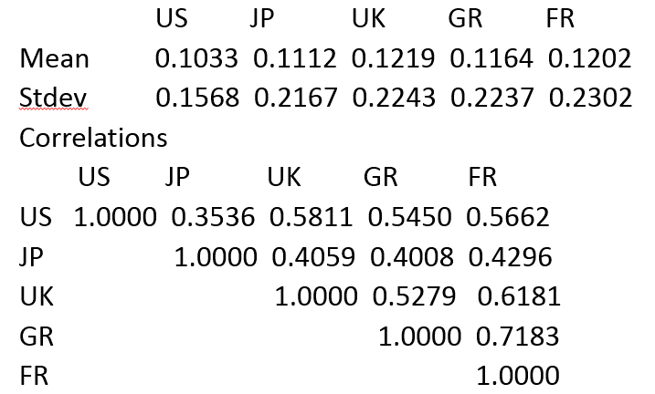
 |  |  |  |  | 1'S-1 |  |  |  |  | A | 33.284268155 | 14
 |  |  |  |  | 0.0032495345637 | 0.0011833314809 | 0.00012255957529 | 0.00035426766388 | -0.00016580127694 | 0.0047438920068 | 41.423603211 | 15
 |  |  |  |  |  |  |  |  |  | B | 49.80421707 | 16
 |  |  |  |  | z'S-1 |  |  |  |  | 0.050351083592 | 58.322190558 | 17
 |  |  |  |  | 0.027303902585 | 0.012241348276 | 0.0054849087017 | 0.0047097144258 | 0.0006112096027 | C | 66.925096367 | 18
 |  |  |  |  |  |  |  |  |  | 0.54720195896 | 75.583939263 | 19
 |  |  |  |  |  |  |  |  |  | D | 84.281480551 | 20
 |  |  |  |  |  |  |  |  |  | 6.0635380315E-05 | 93.006864218 | 21
 |  |  |  |  |  |  |  |  |  |  | 101.75292801 | 22
 |  |  |  |  |  |  |  |  |  |  | 110.5147622 | 23
 |  |  |  |  |  |  |  |  |  |  | 119.2888918 | 24
jp | 0.3536 | 120.14818816 |  |  |  |  |  |  |  |  | 128.07278981 | 25
uk | 0.5811 | 204.37426464 |  |  |  |  |  |  |  |  | 136.86457544 | 26
gr | 0.545 | 191.165072 |  |  |  |  |  |  |  |  | 145.66282048 | 27
 | 0.4059 | 197.29098279 |  |  |  |  |  |  |  |  | 154.46642117 | 28
 | 0.4008 | 194.29096632 |  |  |  |  |  |  |  |  | 163.27451119 | 29
 | 0.5279 | 264.87862889

